OFFER
ADIDAS MIX CATEGORY

PHOTOS | PHOTOS | MOD. | DESC.COL. | DESC. | EAN | SIZE | Q.TY | YOUR SELECTION | WHS | TOT WHS | RRP | TOT RRP
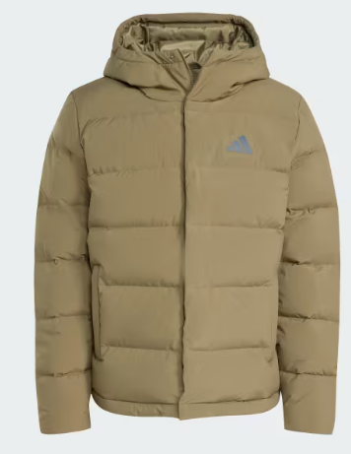 |  | JX0580 | OLISTR | HELIONIC HD JKT, S | 4068811606084 | S | 44 |  | 81.00 € | 3,564.00 € | 170.00 € | 7,480.00 €
 |  | JX0580 | OLISTR | HELIONIC HD JKT, M | 4068811606152 | M | 42 |  | 81.00 € | 3,402.00 € | 170.00 € | 7,140.00 €
 |  | JX0580 | OLISTR | HELIONIC HD JKT, L | 4068811602451 | L | 39 |  | 81.00 € | 3,159.00 € | 170.00 € | 6,630.00 €
 |  | JX0580 | OLISTR | HELIONIC HD JKT, XL | 4068811602444 | XL | 27 |  | 81.00 € | 2,187.00 € | 170.00 € | 4,590.00 €
 |  | JX0580 | OLISTR | HELIONIC HD JKT, 2XL | 4068811602376 | 2XL | 5 |  | 81.00 € | 405.00 € | 170.00 € | 850.00 €
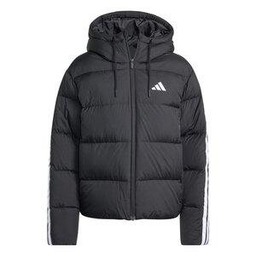 |  | JW3429 | BLACK | W ESS 3S P D HO, XS | 4068811752439 | XS | 48 |  | 71.45 € | 3,429.60 € | 150.00 € | 7,200.00 €
 |  | JW3429 | BLACK | W ESS 3S P D HO, S | 4068811752408 | S | 9 |  | 71.45 € | 643.05 € | 150.00 € | 1,350.00 €
 |  | JW3429 | BLACK | W ESS 3S P D HO, L | 4068811756123 | L | 34 |  | 71.45 € | 2,429.30 € | 150.00 € | 5,100.00 €
 |  | JW3429 | BLACK | W ESS 3S P D HO, XL | 4068811752422 | XL | 35 |  | 71.45 € | 2,500.75 € | 150.00 € | 5,250.00 €
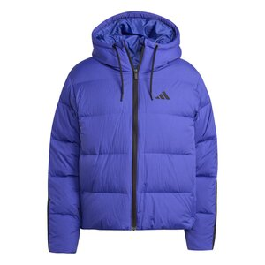 | 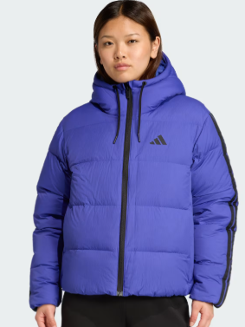 | JW9109 | SELUBL | W ESS 3S P D HO, XS | 4068811679453 | XS | 50 |  | 71.45 € | 3,572.50 € | 150.00 € | 7,500.00 €
 |  | JW9109 | SELUBL | W ESS 3S P D HO, S | 4068811679385 | S | 47 |  | 71.45 € | 3,358.15 € | 150.00 € | 7,050.00 €
 |  | JW9109 | SELUBL | W ESS 3S P D HO, M | 4068811679392 | M | 46 |  | 71.45 € | 3,286.70 € | 150.00 € | 6,900.00 €
 |  | JW9109 | SELUBL | W ESS 3S P D HO, L | 4068811679439 | L | 49 |  | 71.45 € | 3,501.05 € | 150.00 € | 7,350.00 €
 |  | JW9109 | SELUBL | W ESS 3S P D HO, XL | 4068811679354 | XL | 49 |  | 71.45 € | 3,501.05 € | 150.00 € | 7,350.00 €
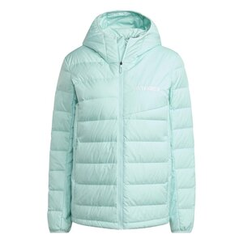 | 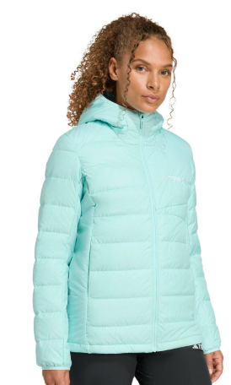 | JZ9989 | SEFLAQ | W MT DOWN H JACKET, XS | 4068809580877 | XS | 25 |  | 71.45 € | 1,786.25 € | 150.00 € | 3,750.00 €
 |  | JZ9989 | SEFLAQ | W MT DOWN H JACKET, S | 4068809580839 | S | 49 |  | 71.45 € | 3,501.05 € | 150.00 € | 7,350.00 €
 |  | JZ9989 | SEFLAQ | W MT DOWN H JACKET, M | 4068809580853 | M | 47 |  | 71.45 € | 3,358.15 € | 150.00 € | 7,050.00 €
 |  | JZ9989 | SEFLAQ | W MT DOWN H JACKET, L | 4068809580822 | L | 48 |  | 71.45 € | 3,429.60 € | 150.00 € | 7,200.00 €
 |  | JZ9989 | SEFLAQ | W MT DOWN H JACKET, XL | 4068809580860 | XL | 9 |  | 71.45 € | 643.05 € | 150.00 € | 1,350.00 €
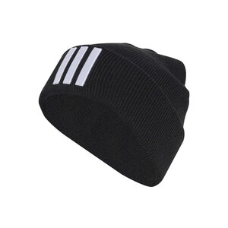 |  | JM3064 | BLACK/WHITE | 3S BEANIE, OSFW | 4068809616200 | OSFW | 53 |  | 11.95 € | 633.35 € | 25.00 € | 1,325.00 €
 |  | JM3064 | BLACK/WHITE | 3S BEANIE, OSFY | 4068809616217 | OSFY | 32 |  | 11.95 € | 382.40 € | 25.00 € | 800.00 €
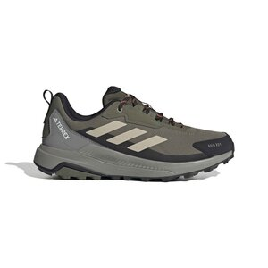 | 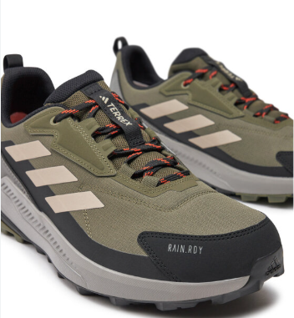 | ID0900 | OLISTR/WONBEI/CBLACK | TERREX ANYLANDER R.RDY, 7 | 4067888619799 | 7 | 41 |  | 42.50 € | 1,742.50 € | 85.00 € | 3,485.00 €
 |  | ID0900 | OLISTR/WONBEI/CBLACK | TERREX ANYLANDER R.RDY, 8 | 4067888619768 | 8 | 29 |  | 42.50 € | 1,232.50 € | 85.00 € | 2,465.00 €
 |  | ID0900 | OLISTR/WONBEI/CBLACK | TERREX ANYLANDER R.RDY, 9 | 4067888619867 | 9 | 12 |  | 42.50 € | 510.00 € | 85.00 € | 1,020.00 €
 |  | ID0900 | OLISTR/WONBEI/CBLACK | TERREX ANYLANDER R.RDY, 9- | 4067888619843 | 9- | 12 |  | 42.50 € | 510.00 € | 85.00 € | 1,020.00 €
 |  | ID0900 | OLISTR/WONBEI/CBLACK | TERREX ANYLANDER R.RDY, 10 | 4067888619812 | 10 | 16 |  | 42.50 € | 680.00 € | 85.00 € | 1,360.00 €
 |  | ID0900 | OLISTR/WONBEI/CBLACK | TERREX ANYLANDER R.RDY, 10- | 4067888619782 | 10- | 22 |  | 42.50 € | 935.00 € | 85.00 € | 1,870.00 €
 |  | ID0900 | OLISTR/WONBEI/CBLACK | TERREX ANYLANDER R.RDY, 11 | 4067888619744 | 11 | 28 |  | 42.50 € | 1,190.00 € | 85.00 € | 2,380.00 €
 |  | ID0900 | OLISTR/WONBEI/CBLACK | TERREX ANYLANDER R.RDY, 11- | 4067888619775 | 11- | 30 |  | 42.50 € | 1,275.00 € | 85.00 € | 2,550.00 €
 |  | ID0900 | OLISTR/WONBEI/CBLACK | TERREX ANYLANDER R.RDY, 12 | 4067888619805 | 12 | 33 |  | 42.50 € | 1,402.50 € | 85.00 € | 2,805.00 €
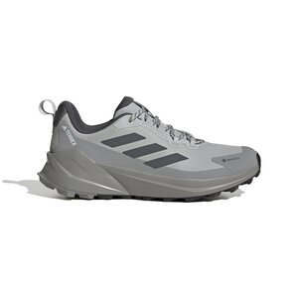 | 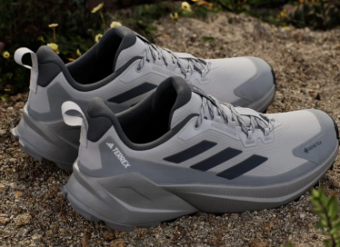 | IH3736 | GRETWO/GRESIX/CHSOGR | TERREX TRAILMAKER 2 GTX, 7 | 4067898404736 | 7 | 2 |  | 60.00 € | 120.00 € | 120.00 € | 240.00 €
 |  | IH3736 | GRETWO/GRESIX/CHSOGR | TERREX TRAILMAKER 2 GTX, 7- | 4067898404392 | 7- | 20 |  | 60.00 € | 1,200.00 € | 120.00 € | 2,400.00 €
 |  | IH3736 | GRETWO/GRESIX/CHSOGR | TERREX TRAILMAKER 2 GTX, 8 | 4067898404712 | 8 | 29 |  | 60.00 € | 1,740.00 € | 120.00 € | 3,480.00 €
 |  | IH3736 | GRETWO/GRESIX/CHSOGR | TERREX TRAILMAKER 2 GTX, 8- | 4067898404347 | 8- | 20 |  | 60.00 € | 1,200.00 € | 120.00 € | 2,400.00 €
 |  | IH3736 | GRETWO/GRESIX/CHSOGR | TERREX TRAILMAKER 2 GTX, 9 | 4067898404361 | 9 | 6 |  | 60.00 € | 360.00 € | 120.00 € | 720.00 €
 |  | IH3736 | GRETWO/GRESIX/CHSOGR | TERREX TRAILMAKER 2 GTX, 9- | 4067898404743 | 9- | 11 |  | 60.00 € | 660.00 € | 120.00 € | 1,320.00 €
 |  | IH3736 | GRETWO/GRESIX/CHSOGR | TERREX TRAILMAKER 2 GTX, 10 | 4067898404460 | 10 | 13 |  | 60.00 € | 780.00 € | 120.00 € | 1,560.00 €
 |  | IH3736 | GRETWO/GRESIX/CHSOGR | TERREX TRAILMAKER 2 GTX, 10- | 4067898404408 | 10- | 13 |  | 60.00 € | 780.00 € | 120.00 € | 1,560.00 €
 |  | IH3736 | GRETWO/GRESIX/CHSOGR | TERREX TRAILMAKER 2 GTX, 11 | 4067898404422 | 11 | 4 |  | 60.00 € | 240.00 € | 120.00 € | 480.00 €
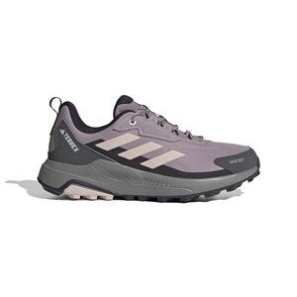 | 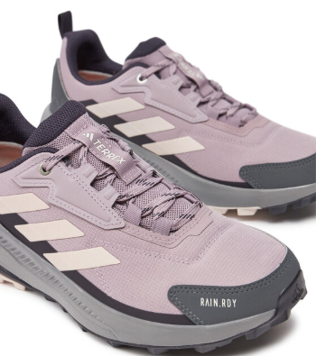 | ID3471 | PRLOFI/PUTMAU/AURBLA | TERREX ANYLANDER R.RDY W, 4 | 4067888641011 | 4 | 17 |  | 42.50 € | 722.50 € | 85.00 € | 1,445.00 €
 |  | ID3471 | PRLOFI/PUTMAU/AURBLA | TERREX ANYLANDER R.RDY W, 4- | 4067888640922 | 4- | 14 |  | 42.50 € | 595.00 € | 85.00 € | 1,190.00 €
 |  | ID3471 | PRLOFI/PUTMAU/AURBLA | TERREX ANYLANDER R.RDY W, 5 | 4067888640960 | 5 | 18 |  | 42.50 € | 765.00 € | 85.00 € | 1,530.00 €
 |  | ID3471 | PRLOFI/PUTMAU/AURBLA | TERREX ANYLANDER R.RDY W, 6 | 4067888640946 | 6 | 35 |  | 42.50 € | 1,487.50 € | 85.00 € | 2,975.00 €
 |  | ID3471 | PRLOFI/PUTMAU/AURBLA | TERREX ANYLANDER R.RDY W, 7- | 4067888640984 | 7- | 13 |  | 42.50 € | 552.50 € | 85.00 € | 1,105.00 €
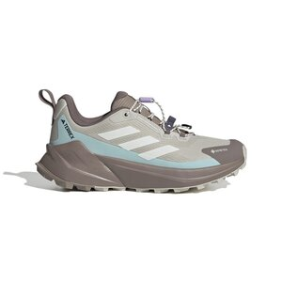 | 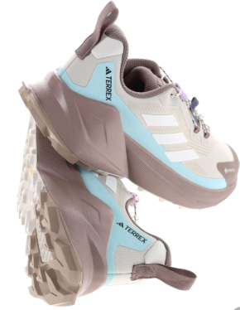 | JQ1615 | WONALU/OWHITE/SEFLAQ | TERREX TRAILMAKER 2 GTX SL W, 4 | 4068805479052 | 4 | 21 |  | 65.00 € | 1,365.00 € | 130.00 € | 2,730.00 €
 |  | JQ1615 | WONALU/OWHITE/SEFLAQ | TERREX TRAILMAKER 2 GTX SL W, 4- | 4068805479014 | 4- | 34 |  | 65.00 € | 2,210.00 € | 130.00 € | 4,420.00 €
 |  | JQ1615 | WONALU/OWHITE/SEFLAQ | TERREX TRAILMAKER 2 GTX SL W, 5 | 4068805475382 | 5 | 34 |  | 65.00 € | 2,210.00 € | 130.00 € | 4,420.00 €
 |  | JQ1615 | WONALU/OWHITE/SEFLAQ | TERREX TRAILMAKER 2 GTX SL W, 5- | 4068805475399 | 5- | 29 |  | 65.00 € | 1,885.00 € | 130.00 € | 3,770.00 €
 |  | JQ1615 | WONALU/OWHITE/SEFLAQ | TERREX TRAILMAKER 2 GTX SL W, 6 | 4068805479038 | 6 | 22 |  | 65.00 € | 1,430.00 € | 130.00 € | 2,860.00 €
 |  | JQ1615 | WONALU/OWHITE/SEFLAQ | TERREX TRAILMAKER 2 GTX SL W, 6- | 4068805479021 | 6- | 24 |  | 65.00 € | 1,560.00 € | 130.00 € | 3,120.00 €
 |  | JQ1615 | WONALU/OWHITE/SEFLAQ | TERREX TRAILMAKER 2 GTX SL W, 7 | 4068805475375 | 7 | 9 |  | 65.00 € | 585.00 € | 130.00 € | 1,170.00 €
 |  | JQ1615 | WONALU/OWHITE/SEFLAQ | TERREX TRAILMAKER 2 GTX SL W, 7- | 4068805479090 | 7- | 21 |  | 65.00 € | 1,365.00 € | 130.00 € | 2,730.00 €
 |  | JQ1615 | WONALU/OWHITE/SEFLAQ | TERREX TRAILMAKER 2 GTX SL W, 8- | 4068805479007 | 8- | 8 |  | 65.00 € | 520.00 € | 130.00 € | 1,040.00 €
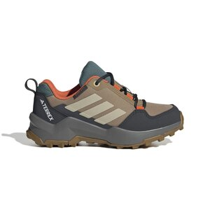 | 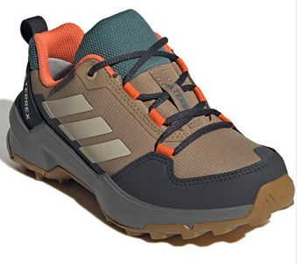 | JS2925 | CARDBO/SAVANN/SEIMOR | TERREX AX4R R.RDY K, 3- | 4068801301821 | 3- | 16 |  | 32.50 € | 520.00 € | 65.00 € | 1,040.00 €
 |  | JS2925 | CARDBO/SAVANN/SEIMOR | TERREX AX4R R.RDY K, 4 | 4068801301708 | 4 | 11 |  | 32.50 € | 357.50 € | 65.00 € | 715.00 €
 |  | JS2925 | CARDBO/SAVANN/SEIMOR | TERREX AX4R R.RDY K, 4- | 4068801301760 | 4- | 6 |  | 32.50 € | 195.00 € | 65.00 € | 390.00 €
 |  | JS2925 | CARDBO/SAVANN/SEIMOR | TERREX AX4R R.RDY K, 5 | 4068801301791 | 5 | 7 |  | 32.50 € | 227.50 € | 65.00 € | 455.00 €
 |  | JS2925 | CARDBO/SAVANN/SEIMOR | TERREX AX4R R.RDY K, 5- | 4068801305478 | 5- | 6 |  | 32.50 € | 195.00 € | 65.00 € | 390.00 €
 |  | JS2925 | CARDBO/SAVANN/SEIMOR | TERREX AX4R R.RDY K, 6 | 4068801301784 | 6 | 3 |  | 32.50 € | 97.50 € | 65.00 € | 195.00 €
 |  | JS2925 | CARDBO/SAVANN/SEIMOR | TERREX AX4R R.RDY K, 6- | 4068801301715 | 6- | 3 |  | 32.50 € | 97.50 € | 65.00 € | 195.00 €
 |  | JS2925 | CARDBO/SAVANN/SEIMOR | TERREX AX4R R.RDY K, 32 | 4068801305447 | 32 | 44 |  | 32.50 € | 1,430.00 € | 65.00 € | 2,860.00 €
 |  | JS2925 | CARDBO/SAVANN/SEIMOR | TERREX AX4R R.RDY K, 33 | 4068801301777 | 33 | 43 |  | 32.50 € | 1,397.50 € | 65.00 € | 2,795.00 €
 |  | JS2925 | CARDBO/SAVANN/SEIMOR | TERREX AX4R R.RDY K, 34 | 4068801301746 | 34 | 26 |  | 32.50 € | 845.00 € | 65.00 € | 1,690.00 €
 |  | JS2925 | CARDBO/SAVANN/SEIMOR | TERREX AX4R R.RDY K, 35 | 4068801301807 | 35 | 27 |  | 32.50 € | 877.50 € | 65.00 € | 1,755.00 €
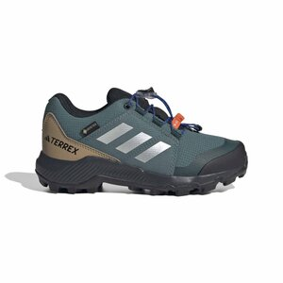 | 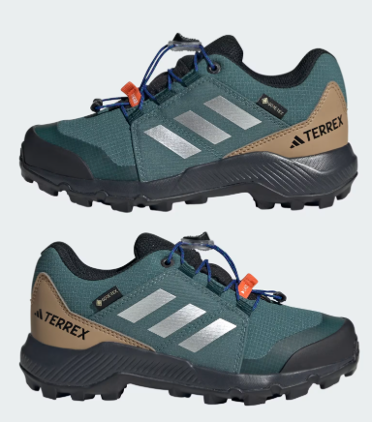 | JS2929 | PRETEA/SILVMT/SELUBL | TERREX GTX K, 3- | 4067907355677 | 3- | 2 |  | 50.00 € | 100.00 € | 100.00 € | 200.00 €
 |  | JS2929 | PRETEA/SILVMT/SELUBL | TERREX GTX K, 4 | 4067907359408 | 4 | 26 |  | 50.00 € | 1,300.00 € | 100.00 € | 2,600.00 €
 |  | JS2929 | PRETEA/SILVMT/SELUBL | TERREX GTX K, 5 | 4067907355776 | 5 | 9 |  | 50.00 € | 450.00 € | 100.00 € | 900.00 €
 |  | JS2929 | PRETEA/SILVMT/SELUBL | TERREX GTX K, 5- | 4067907355783 | 5- | 32 |  | 50.00 € | 1,600.00 € | 100.00 € | 3,200.00 €
 |  | JS2929 | PRETEA/SILVMT/SELUBL | TERREX GTX K, 6 | 4067907355752 | 6 | 29 |  | 50.00 € | 1,450.00 € | 100.00 € | 2,900.00 €
 |  | JS2929 | PRETEA/SILVMT/SELUBL | TERREX GTX K, 32 | 4067907359422 | 32 | 36 |  | 50.00 € | 1,800.00 € | 100.00 € | 3,600.00 €
 |  | JS2929 | PRETEA/SILVMT/SELUBL | TERREX GTX K, 33 | 4067907359439 | 33 | 7 |  | 50.00 € | 350.00 € | 100.00 € | 700.00 €
 |  | JS2929 | PRETEA/SILVMT/SELUBL | TERREX GTX K, 34 | 4067907355738 | 34 | 23 |  | 50.00 € | 1,150.00 € | 100.00 € | 2,300.00 €
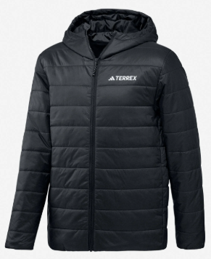 |  | KB2183 | BLACK | MT ESS PAD HO J, S | 4068807984486 | S | 36 |  | 47.65 € | 1,715.40 € | 100.00 € | 3,600.00 €
 |  | KB2183 | BLACK | MT ESS PAD HO J, M | 4068807984479 | M | 22 |  | 47.65 € | 1,048.30 € | 100.00 € | 2,200.00 €
 |  | KB2183 | BLACK | MT ESS PAD HO J, L | 4068807984455 | L | 32 |  | 47.65 € | 1,524.80 € | 100.00 € | 3,200.00 €
 |  | KB2183 | BLACK | MT ESS PAD HO J, XL | 4068807984493 | XL | 36 |  | 47.65 € | 1,715.40 € | 100.00 € | 3,600.00 €
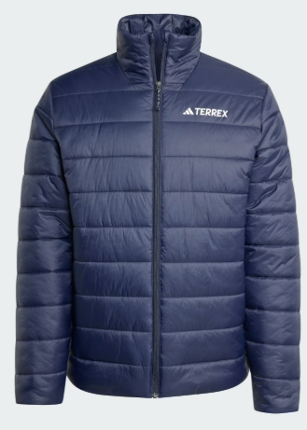 | 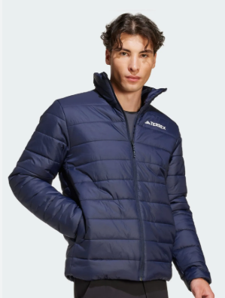 | KB2178 | LEGINK | MT ESS PAD J, S | 4068808138161 | S | 49 |  | 42.90 € | 2,102.10 € | 90.00 € | 4,410.00 €
 |  | KB2178 | LEGINK | MT ESS PAD J, M | 4068808138178 | M | 42 |  | 42.90 € | 1,801.80 € | 90.00 € | 3,780.00 €
 |  | KB2178 | LEGINK | MT ESS PAD J, L | 4068808138208 | L | 40 |  | 42.90 € | 1,716.00 € | 90.00 € | 3,600.00 €
 |  | KB2178 | LEGINK | MT ESS PAD J, XL | 4068808138185 | XL | 43 |  | 42.90 € | 1,844.70 € | 90.00 € | 3,870.00 €
 |  |  |  |  |  |  | 1,783 | 0 |  | 114,391.50 € |  | 235,325.00 €

